Quick Reference Checklist
Risk / Risk Event | Category | Relevant? Yes / No
Fraud | Financial
Project overspend | Financial
Operational plan / projects not delivered on time | Operational
Loss of sponsor | Financial
Loss of gaming funds | Financial
Loss of philanthropic funder | Financial
What to do:
Step One: Review each risk identified on this list and determine whether is is relevant for your organisation or not.
Step Two: Select, copy and paste all relevant risks from this worksheet into the "Risk Register Template" worksheet.
Step Three: Complete the risk register template by conducting a risk assessment for each risk.
Step Four: Develop a risk action plan for all major / extreme risks to ensure they are given focus and priority.
Reduction in donation revenue | Financial
Reduction in membership fees | Financial
Reduction in trading income | Financial
Thieft of stock | Financial
Insufficent funds to deliver operational plan | Financial
Insolvency (unable to pay bills as they fall due) | Financial
Loss of parent/peak body funding | Financial
Violent/sexual offence against member in our care by one of our people | Safety / Reputational
Violent/sexual offence against a member of public by one of our people | Safety / Reputational
Violent/sexual offence against member in our care by third party | Safety / Reputational
Child harm / sex offence by a coach/manager/official/administrator | Safety / Reputational
Injury to an employee(s) | Health & Safety
Health impact / illness of employee(s) | Health & Safety
Head injuries / incapacitation to players as a result of particpation | Health & Safety / Reputational
Serious injury / death of a participant while participating | Health & Safety / Reputational
Serious injury / death of a coach/official while participating | Health & Safety / Reputational
Serious injury / death of an employee while at work | Health & Safety / Reputational
Negative environmental impact as a result of operations | Environmental / Reputational
Supplier unable to provide stock required | Operational
Supplier linked human rights abuses through manufactuering process | Ethics
Loss of facility due to environmental event / climate change | Environmental / Operational
Loss of personal data stored on IT system from hacking event | IT
High profiled participant convicted of criminal activity | Reputational
Unanticipated resignation of CEO / General Manager | People
High staff turnover / loss of corporate knowledge | People
Activities conducted without permits/permission being obtained | Regulatory
Participant returns positive drug test | Reputational
Social media trending as a result of an incident involving our organisation | Reputational
Earthquake during office hours | Health & Safety / Continuity
Earthwuake outside office hours | Health & Safety / Continuity
Flooding at office / headquarters | Health & Safety / Continuity
Fire at office / headquarters | Health & Safety / Continuity
Terrorism at office / headquarters / event | Health & Safety / Continuity
Resignation of board member | People / Reputational
Resignation of chairperson | People / Reputational
Board member conflict of interest | People / Reputational
CEO / General Manager conflict of interest | People / Reputational
Unable to source suitable board members to fill positions | People
Unable to source suitable employees to fill positions | People
Declining participation rate | Strategic
Third party 'passing off' using our IP/brand | Reputational / Legal
Loss of affililated clubs (to rival association) | Operational
Sustainability of affiliated clubs | Operational
Dissatisfied stakeholders | People / Reputational
Funding accountability processes not completed | Regulatory
Breach of professional duty of care (directors or management) | People / Reputational
Misbehavior of tour group / travelling group while away | Safety / Reputational
Loss of charity status | Regulatory / Financial
Loss of IRD tax exemption status | Regulatory / Financial
Lack of clear strategic direction | Strategic
IT server destroyed (fire/flood/earthquake etc) | IT / Continuity
Archive material destroyed by fire/flood/earthquake etc) | Operational
Personal grievance by employee against employer | People / Reputational
Lack of performance by employee(s) | People
Ineffective book keeping / operational financial management | Financial / Regulatory
Security breach of team / group travelling abroad | Health & Safety
Cancellation of major event due to natural disaster | Financial / Reputational
Cancellation of event due to adverse weather conditions | Financial / Reputational
Improper media comment by employee / participant | Reputational
Player / employee breaching sponsor / commercial agreement | Financial / People / Reputational
Sudden unexpected loss of CEO/Chairperson | People / Continuity
Negative media articles about your organisation | Reputational
Health and safety compliance breach | Health & Safety / Regulatory
Historical sexual assault claim made against organisation | People / Reputational
Reduction in asset / investment value | Financial
Investment property not tenanted | Financial
Building not adequately earthquake strengthened | Safety / Reputational
Overcommitted on office / facility lease | Financial
Loss of political support of the board by clubs / regions | People / Reputational

Risk Register Template
<Insert Organisation> Enterprise Risk Register
Updated: <insert date risk register reviewed & updated) Document Owner:
Ref | DESCRIPTION OF RISK | DESCRIPTION OF IMPACT / CONSEQUENCES | BEFORE MITIGATION STRATEGIES |  |  | MITIGATION STRATEGIES / CONTROLS | AFTER MITIGATION STRATEGIES |  |  | PROPOSED MITIGATION STRATEGIES / CONTROLS
 |  |  | Impact | Likelihood | Rating |  | Impact | Likelihood | Revised Rating
E.G. | Widespread & sustained low staff satisfaction - loss of intellectual capital & corporate knowledge. | 1. High staff turnover 2. Increased recruitment costs 3. Reputation in industry as a 'bad employer' resulting in limited talent willing to work in organisation 4. Significant slow down of business plan execution as a result of corporate knowledge losses 5. Risk of funding losses due to specific funding relationships aligned with dissatisfied staff | High (4) | Likely (4) | Extreme (16) | 1. Implement 3-monthly staff survey to measure satisfaction and capture feedback from staff. 2. Appoint board sub-committee to work with CEO to review causes of low staff satisfaction. 3. Develop a work plan to offset the causes of low satisfaction ensuring regular staff engagement is maintained. 4. Develop a succession plan so all roles have at least one other who can act in the role should the incumbent employee resign. 5. Ensure multiple points of contact/relationships with key funders (such as both Chairperson & CEO). | Medium (3) | Possible (3) | High (9) | 1. If CEO performance may be cause of low staff satisfaction, implement meetings with senior staff and the Chairperson or Board member to address concerns. 2. Ensure performance management system is in place and being effectively implemented in practice so all staff have clear direction / goals. 3. Consider obtaining advice from a human resources advisor.
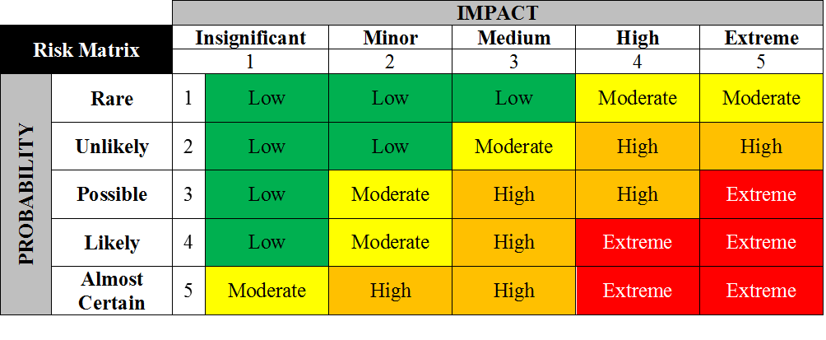
1
2
3
4
5
6
7
8
9
10
11
12
13
14
15
16
17
18
19
20
21
22
23
24
25
26
27
28
29
30
31
32
33
34
35
36
37
38
39
40
41
42
43
44
45
46
47
48
49
50

Risk Assessment Tools (Example)
